Sheet 1
 |  |  |  | 40% |  | 20%
 |  |  |  | > 40% | 30 - 40% | < 20% | total of females = 320 | total of males = 186
Tags | X | Y | Selection | Red | Yellow | Green | Female | Males
glass | 0.53 | 0.70 | 81% | 81% | #N/A | #N/A | 81% | 78%
water | 0.53 | 0.38 | 76% | 76% | #N/A | #N/A | 76% | 68%
table | 0.15 | 0.10 | 58% | 58% | #N/A | #N/A | 58% | 49%
reflection | 0.53 | 0.08 | 39% | #N/A | 39% | #N/A | 39% | 38%
wall | 0.90 | 0.87 | 37% | #N/A | 37% | #N/A | 37% | 32%
shadow | 0.80 | 0.17 | 26% | #N/A | 26% | #N/A | 26% | 27%
light | 0.63 | 0.21 | 16% | #N/A | #N/A | 16% | 16% | 9%
half full | 0.53 | 0.50 | 6% | #N/A | #N/A | 6% | 6% | 9%
light reflect | 0.58 | 0.14 | 5% | #N/A | #N/A | 5% | 5% | 2%
half empty | 0.53 | 0.81 | 2% | #N/A | #N/A | 2% | 2% | 4%
rim | 0.53 | 0.89 | 1% | #N/A | #N/A | 1% | 1% | 0%
circle | 0.53 | 0.89 | 0% | #N/A | #N/A | 0% | 0% | 2%

 | Red | Yellow | Green
0.53 | 0.70 | 0.70 | 0.70
0.53 | 0.38 | 0.38 | 0.38
0.15 | 0.10 | 0.10 | 0.10
0.53 | 0.08 | 0.08 | 0.08
0.90 | 0.87 | 0.87 | 0.87
0.80 | 0.17 | 0.17 | 0.17
0.63 | 0.21 | 0.21 | 0.21
0.53 | 0.50 | 0.50 | 0.50
0.58 | 0.14 | 0.14 | 0.14
0.53 | 0.81 | 0.81 | 0.81
0.53 | 0.89 | 0.89 | 0.89
0.53 | 0.89 | 0.89 | 0.89
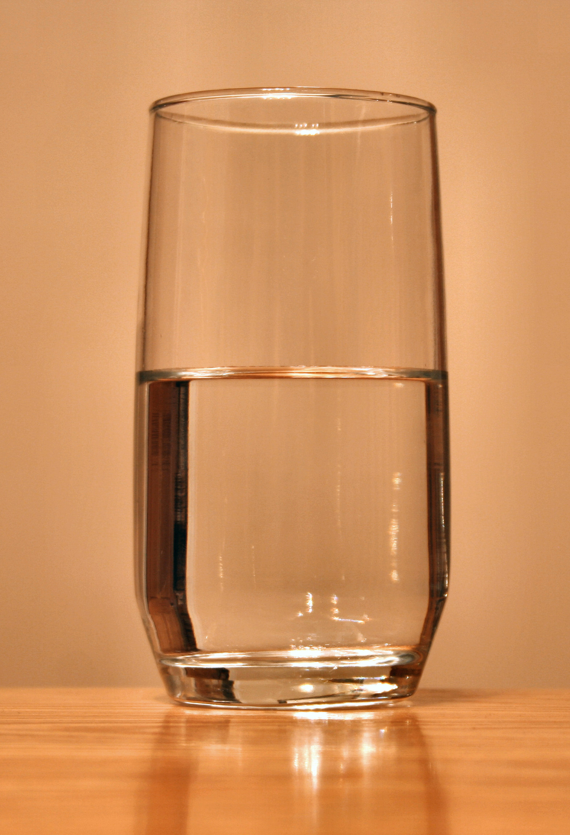
Female
Males
1

